OverView Pivot
Count of sk_CustomerID_FK | Column Labels
Row Labels | Churned | Stayed | Grand Total
2015 | 93 | 1314 | 1407
2016 | 120 | 712 | 832 | Count of sk_CustomerID_FK
2017 | 145 | 617 | 762 | 7043
2018 | 180 | 652 | 832
2019 | 294 | 730 | 1024
2020 | 1037 | 695 | 1732
Grand Total | 1869 | 4720 | 6589

Row Labels | Sum of TotalCharges
2015 | 7289202.4514 |  |  | Sum of TotalCharges
2016 | 3201646.3029 |  |  | 16056168.704
2017 | 2154534.5518
2018 | 1655845.7981
2019 | 1153287.6994
2020 | 601651.90019 |  |  | Sum of MonthlyCharges
Grand Total | 16056168.704 |  |  | 456116.60015

Row Labels | Count of sk_CustomerID_FK
Married | 3402
Single | 3641
Grand Total | 7043

Row Labels | Count of sk_CustomerID_FK
Bank transfer | 1544
Credit card | 1522
Electronic check | 2365
Mailed check | 1612
Grand Total | 7043

Row Labels | Count of sk_CustomerID_FK
Paper Billing | 2872 |  |  |  | Sum of TotalRevenue
Paperless Billing | 4171 |  |  |  | 13819.649985
Grand Total | 7043

Row Labels | Count of sk_CustomerID_FK
Attitude | 314
Competitor | 841
Dissatisfaction | 303
Other | 200
Price | 211
Grand Total | 1869

Row Labels | Count of sk_CustomerID_FK
Attitude of service provider | 314
Competitor had better devices | 211
Don't know | 200
Price too high | 841
Product dissatisfaction | 303
Grand Total | 1869

Sheet2
Row Labels | Count of sk_CustomerID_FK | Row Labels | Count of sk_CustomerID_FK
Multiple Line Service | 2971 | Fresno | 61
No Phone Service | 682 | Long Beach | 60
One Line Service | 3390 | Los Angeles | 313
Grand Total | 7043 | Oakland | 52
 |  | Oceanside | 47
 |  | Sacramento | 108
 |  | San Diego | 164
 |  | San Francisco | 104
 |  | San Jose | 112
Row Labels | Count of sk_CustomerID_FK | Stockton | 44
DSL | 2421 | Grand Total | 1065
Fiber optic | 3096
No internet service | 1526
Grand Total | 7043

 |  | Row Labels | Count of sk_CustomerID_FK
 |  | Eldridge | 2
 |  | Holtville | 2
 |  | Jacumba | 2
Row Labels | Count of sk_CustomerID_FK | Johannesburg | 2
Device Protection | 3096 | South Lake Tahoe | 2
Online Backup | 2421 | Tahoma | 3
Grand Total | 5517 | Topaz | 3
 |  | Valley Center | 3
 |  | Vina | 3
 |  | Wofford Heights | 3
 |  | Grand Total | 25

 |  | Distinct Count of sk_LocationID_FK
 |  | 1625

Overview Dashboard
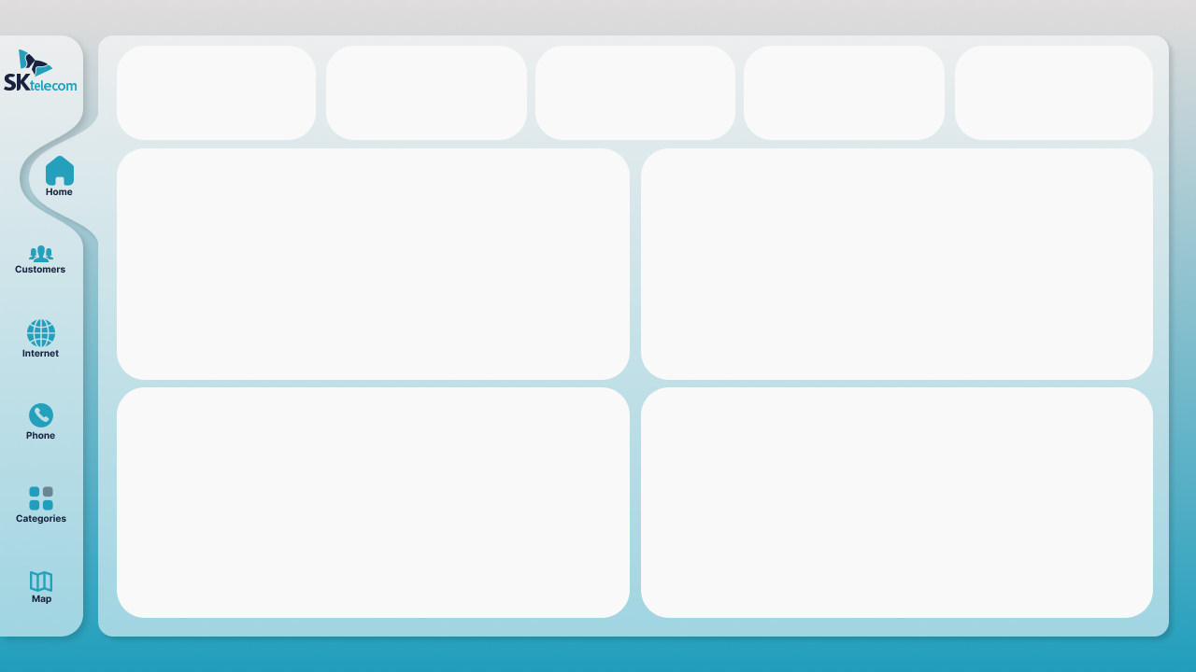
 | Total
Married | 3402
Single | 3641
Customer
T.Monthly Charges
T.Charges
T.Revenue
No.Cities
7043
Customer | T.Charges | T.monthly charges | T.Revenue | Churn Cust
7043 | 16056168.704 | 456116.60015 | 13819.649985 | 1869 | 1625
Churn Customer
456116.6001
16056168.7
13819.64999
1625
1869
Marital Status

 | Total
2015 | 7289202.4514
2016 | 3201646.3029
2017 | 2154534.5518
2018 | 1655845.7981
2019 | 1153287.6994
2020 | 601651.90019
 | Churned | Stayed
2015 | 93 | 1314
2016 | 120 | 712
2017 | 145 | 617
2018 | 180 | 652
2019 | 294 | 730
2020 | 1037 | 695

 | Total
Attitude | 314
Competitor | 841
Dissatisfaction | 303
Other | 200
Price | 211
 | Total
Bank transfer | 1544
Credit card | 1522
Electronic check | 2365
Mailed check | 1612

Details Dashboard
Cities | Customer | T.Charges | T.monthly charges | T.Revenue | Churn Cust
1625 | 7043 | 16056168.704 | 456116.60015 | 13819.649985 | 1869

 | Total
Attitude | 314
Competitor | 841
Dissatisfaction | 303
Other | 200
Price | 211
Customer
T.monthly Charges
T.Charges
T.revenue
No.Cities
All
Churn
456116.6001
16056168.7
13819.64999
1625
7043
1869
Churn Reasons

Internet Service types by Customer
 | Total
DSL | 2421
Fiber optic | 3096
No internet service | 1526
phone type by Customers
 | Total
Multiple Line Service | 2971
No Phone Service | 682
One Line Service | 3390

Top 10 Cities by Customer
 | Total
Fresno | 61
Long Beach | 60
Los Angeles | 313
Oakland | 52
Oceanside | 47
Sacramento | 108
San Diego | 164
San Francisco | 104
San Jose | 112
Stockton | 44
Bottom 10 Cities by Customer
 | Total
Eldridge | 2
Holtville | 2
Jacumba | 2
Johannesburg | 2
South Lake Tahoe | 2
Tahoma | 3
Topaz | 3
Valley Center | 3
Vina | 3
Wofford Heights | 3

